Description Sheet
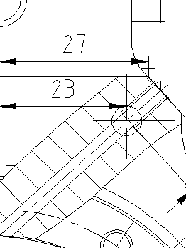
 | Development Changes in PD-Phase 产品开发更改 |  |  |  |  |  | Edition 06
 |  |  |  |  | Doc. Approval: RBCD/EIS
Confidential |  |  |  |  | Effective date: 20250714
 |  |  |  |  | DC No. / 开发更改编号: | PDECR_0060
 |  |  |  |  | Date /日期: | 20251125
Step 1: Change request & Basic information
Customer project Name/ 客户项目名称： |  | Geely，CNHTC，XCMG | MCR No. / MCR号: |  | BM-00095101_005
Affect Product No. / 产品 |  |  | Component No./ 零部件号: |  | F01ZD302X-01,'F01ZD302Y-01
F01Z7P001R-01,F01Z7P001Y-01,F01Z7P001P-01,F01Z7P001T-01
Sample type / 样品类型: |  |  | Initiator/发起人: | 王小龙
Reason of changes / 更改理由:
1. 800V控制器从B1变到B2；除SiC，SiC holder，三相接线柱外，壳体，陶瓷片，密封垫，O型圈等沿用600V开模件；

Customer request / 客户要求 |  | Supplier request / 供应商请求 |  | Design optimization / 设计优化
Correction / 更正(错误) |  | Process / 工艺 | Other / 其它
Step 2: Change proposal & Change discription
1. 800V控制器从B1变到B2；除SiC，SiC holder，三相接线柱外，壳体，陶瓷片，密封垫，O型圈等沿用600V开模件；
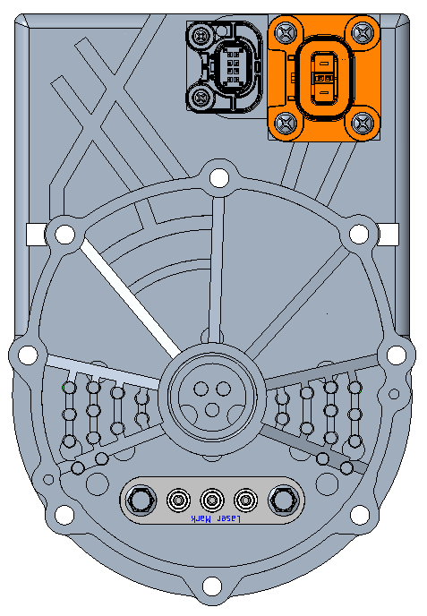
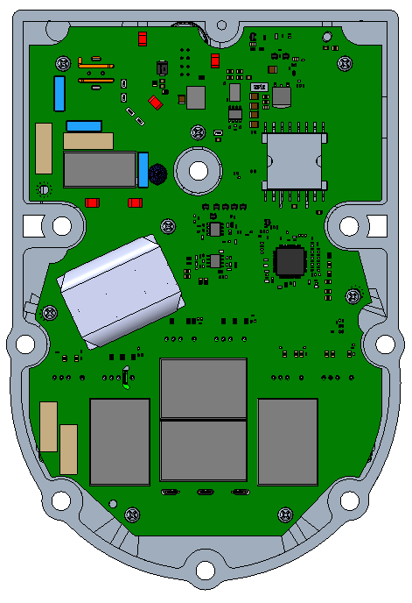

before
800V B1
PN:
F01ZD00018-01

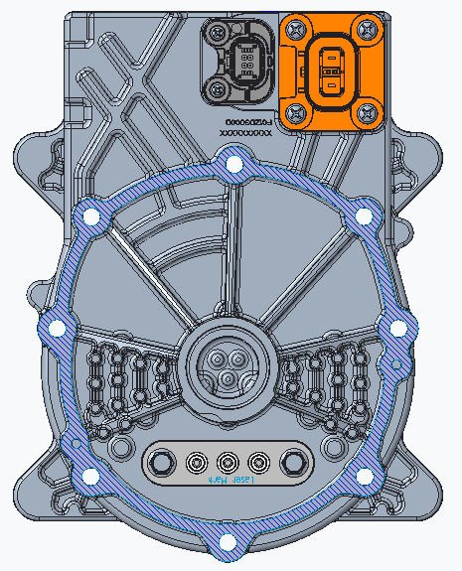
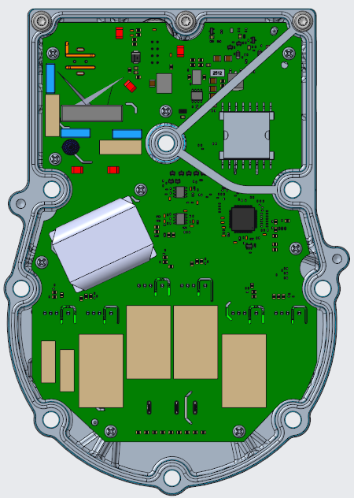
after
800V B2
PN:
F01ZD00018-02
F01ZD0000E-02
F01ZD0000F-02
F01ZD0000G-02

外形与600V一致

Description Sheet (2)
 | Development Changes in PD-Phase 产品开发更改 |  |  | Edition 06
 |  | Doc. Approval: RBCD/EIS
Confidential |  | Effective date: 20250714

 |  | DC No. / 开发更改编号: | PDECR_0058
 |  | Date /日期: | 20251125
Step 2: Change proposal & Change discription
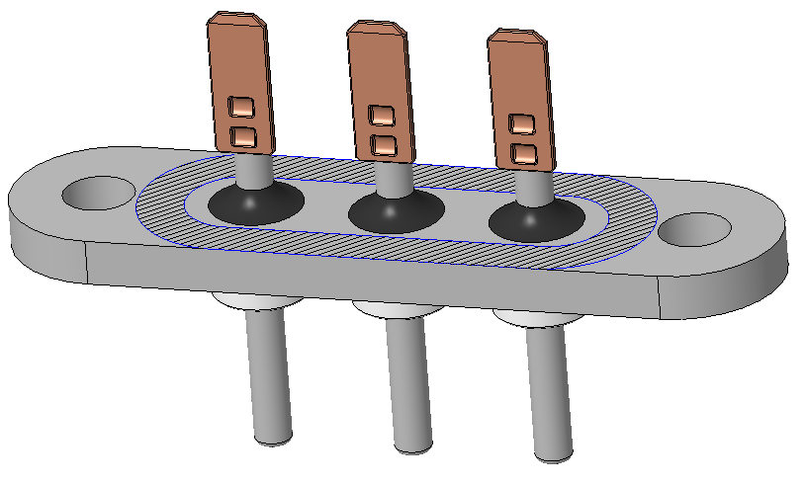
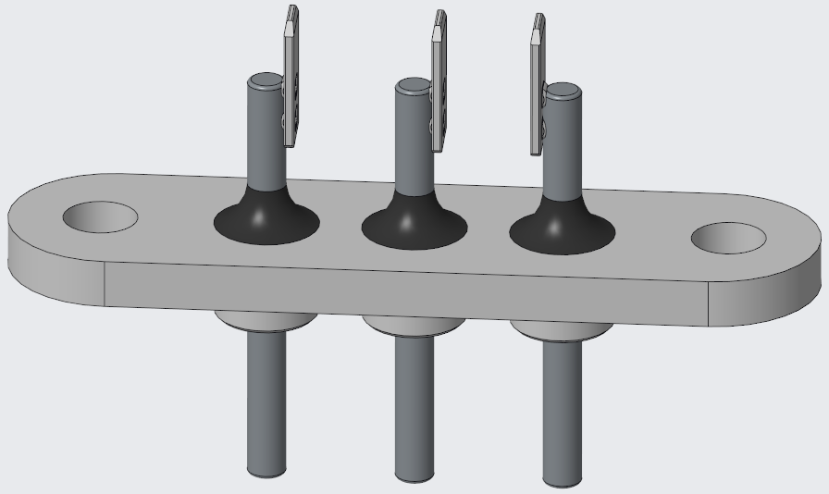

电气间隙Min. 3.4mm<4.0mm
电气间隙Min. 4.1mm>4.0mm
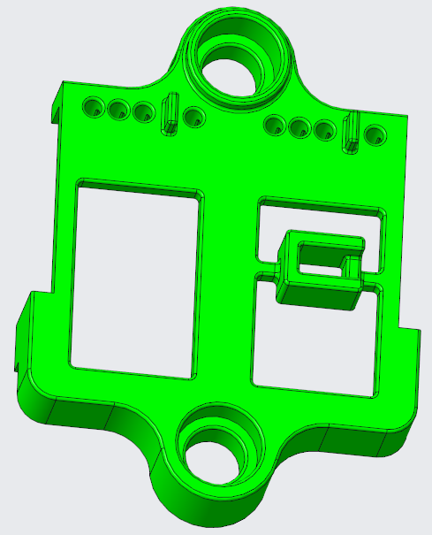
before
F01ZD3002V-01
after
F01ZD3002V-02
适配600V壳体及陶瓷片局部尺寸调整
爬电距离MIn7.4>7.3mm
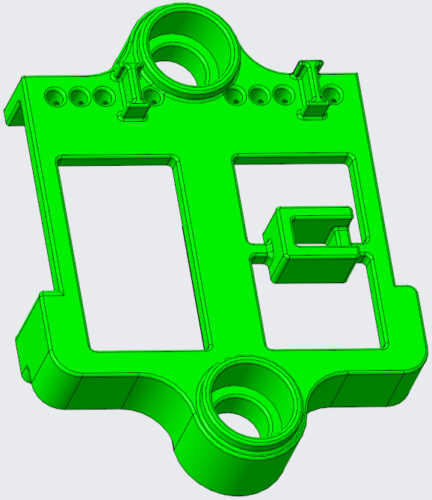

before
F01ZD3002Z-01
after
F01ZD3002Z-02

Signature process
Step | Process | Comments

在PDECR overview 中
1：登记变更内容，取变更号
2：建立对应folder
PDECR 内容准备
PDECR regular meeting
1： Reivew变更
2：确认签字相关方
签字可手签，也可通过存放在folder 里面发送pdf 版本文件通过e-signatrure 签.
1 |  | Folder Link PDECR_Overview Folder | 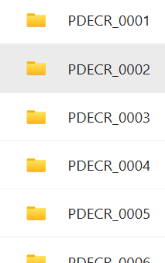 https://teams.microsoft.com/l/channel/19%3A4qf8squd35LVjVygRGnQzEr5Qn_wfJ6wElaGf74oXLQ1%40thread.tacv2/09_PDECR?groupId=b3a5bd45-54ce-4c12-b6f8-07fbcf717dce&tenantId=0ae51e19-07c8-4e4b-bb6d-648ee58410f4&ngc=true&allowXTenantAccess=true
2 |  | Template
3 |  | - |  | 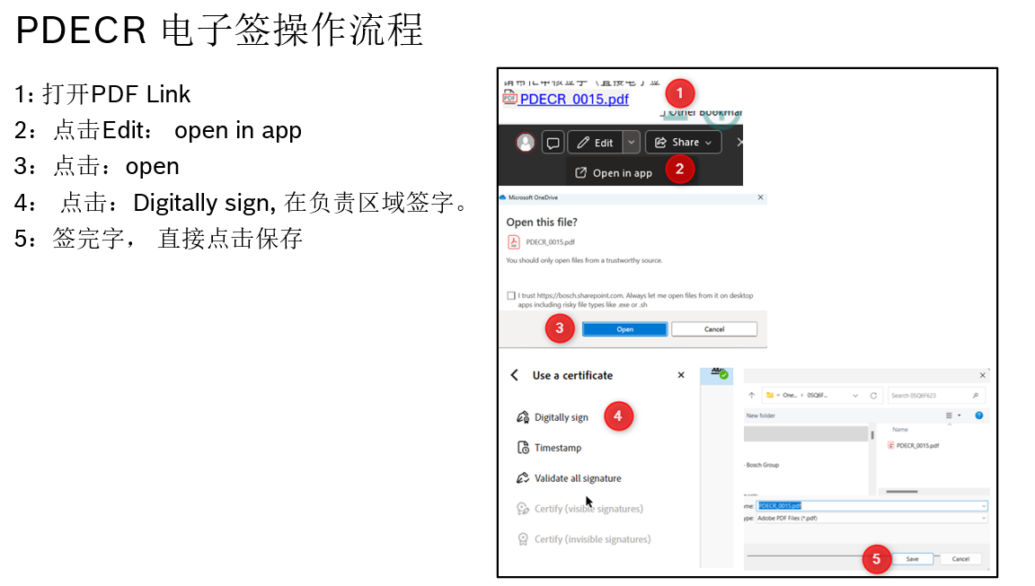
将Review 的文件存储到对应folder,并发送相关PDF link，启动签字流程
4 |  | Folder Link | 09_PDECR | e-Compressor SE team | Microsoft Teams
发起工程师和校对工程师签字
5 |  | Signature area
Work level 签字
6 |  |  | 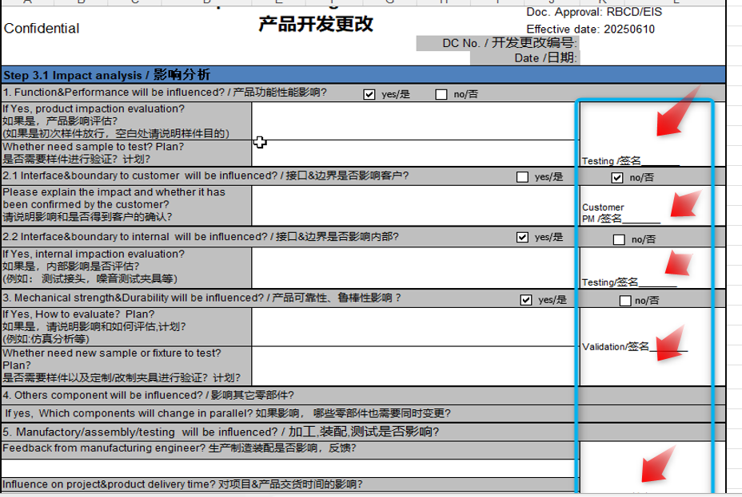
Manger level 签字
7
worklevel 执行负责人签字
8
End
9 |  | - | -

Signature Matrix
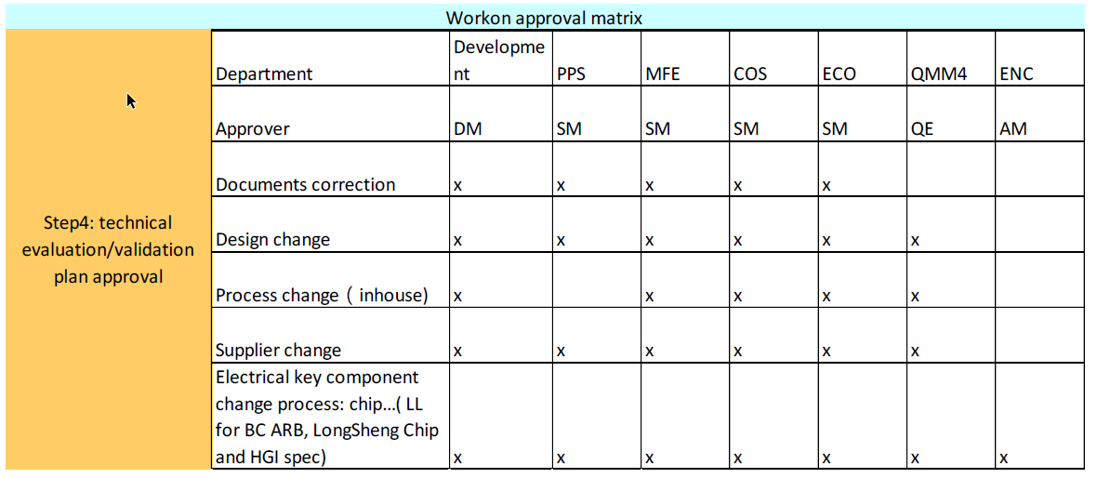

Matiix
 | 本体开发 |  |  |  |  | 生产 |  | 采购 | Cos | 内部质量 | 客户项目经理 | 平台项目经理
 | Core group 设计 | 电机设计 | 控制器设计 | 测试 | 验证 | 机加工 | 装配测试
工程师 | Ku Qiong (RBCD/EIS4) Fan change (RBCD/EIS4) Li Pingzheng (RBCD/EIS4) Wang Xiaolong (RBCD/EIS4) | LI Xin (RBCW/ENG-CV2) | ZHENG Xinjie (RBCD/PJ-EPE3) | LI Bing (RBCD/EIS3) | LI Ke (RBCD/ETC6) | ZHANG Bing (RBCD/MOE1.4) | LI Ke (RBCD/MOE3) | ZHENG Xuan (RBCW/PUR3) | Meng Fanlong (RBCD/COS) | Zou Lizhu(RBCD/QMM1.1) | Qian Jiong (RBCD/EIS2) | Xu Chen (RBCD/EIS4)
SM | Lu Yang (RBCD/EIS4 RBCW/ENG-TMS) | JIANG Xingkai (RBCW/ENG-CV2) | JIANG Xingkai (RBCW/ENG-CV2) | YUAN Senqi (RBCD/EIS3) | JIANG Ningtao (RBCD/ETC6) | GAO Tong (RBCD/MOE1.1) | X | YIN Ning (RBCW/PUR3) | Zhao Lei (RBCD/COS) | MAO Yiyi (RBCD/QMM1.1) | X | X
DM | WU Xiaojian (RBCD/EIS RBCD/EIS4) |  | X | X | X | HUA Guanqun (RBCD/MOE1) | Sun tie (RBCD/MSE1-I) | X | X | X | X | WU Xiaojian (RBCD/EIS RBCD/EIS4) XIE Youfu (RBCW/TCR3)

 |  | Send list | Inform list | Implementation
 | PM | - | Xu Chen (RBCD/EIS4) | Send to work level person with OPL and CC to others
 | Customer TPM | Qian Jiong (RBCD/EIS2)
 | Core group design | Ku Qiong (RBCD/EIS4) Fan change (RBCD/EIS4) Li Pingzheng (RBCD/EIS4) Wang Xiaolong (RBCD/EIS4)
 | Motor design | LI Xin (RBCW/ENG-CV2) | JIANG Xingkai (RBCW/ENG-CV2)
 | DCAC design | Fu bowen （RBCW/ENG-CV1) Zheng xinjie(RBCD/PJ-EPE3) | JIANG Xingkai (RBCW/ENG-CV2)
 | Platform testing | LI Bing (RBCD/EIS3) | YUAN Senqi (RBCD/EIS3)
 |  | LI Ke (RBCD/ETC6) | JIANG Ningtao (RBCD/ETC6)
 | Quality | Zou Lizhu(RBCD/QMM1.1) | MAO Yiyi (RBCD/QMM1.1)
 | MOE | ZHANG Bing (RBCD/MOE1.4) | GAO Tong (RBCD/MOE1.1)
 | COS | Meng Fanlong (RBCD/COS) | Zhao Lei (RBCD/COS)
 | Purchasing | ZHENG Xuan (RBCW/PUR3) | YIN Ning (RBCW/PUR3)
 | Sales | Sales（acc.to project） | Jia Kebin（RBCW/SMP-ATS1)
 | Development |  | WU Xiaojian (RBCD/EIS RBCD/EIS4)
 | Assembly | /LI Ke (RBCD/MOE3) CC:/Xia Liujun (RBCD/MOE3.3) | Sun Tie (RBCD/MSE-1)
 | TCR |  | XIE Youfu (RBCW/TCR3)

